TEDB Edition 40
In 2019 over sixty percent of the cost of gasoline in France, Germany, and the United Kingdom went for taxes. Of the listed countries, the United States has the lowest percentage of taxes.

Figure 11.2. Gasoline Prices for Selected Countries, 1990 and 2019
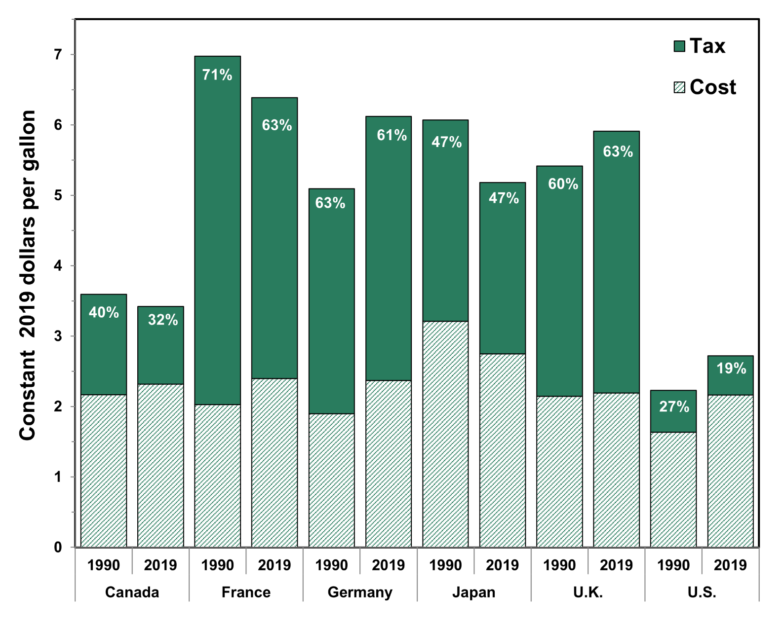

(Constant 2019 dollars)
 | Canada |  | France |  | Germany |  | Japan |  | United Kingdom |  | United States
 | 1990 | 2019 | 1990 | 2019 | 1990 | 2019 | 1990 | 2019 | 1990 | 2019 | 1990 | 2019
Total Price | 3.59 | 3.42 | 6.97 | 6.39 | 5.09 | 6.12 | 6.07 | 5.18 | 5.42 | 6.03 | 2.23 | 2.87
Percent Tax | 40% | 32% | 71% | 63% | 63% | 61% | 47% | 47% | 60% | 63% | 27% | 19%

Source:
1990‒2018: International Energy Agency, Monthly Oil Price Statistics, April 2019, Paris, France, 2019. (Additional resources: www.iea.org)

2019: Organization for Economic Co-operation and Development (OECD) iLibrary, Consumption Tax Trends 2020 : VAT/GST and Excise Rates, Trends and Policy Issues, 2020.

